Summary
ENVIRONMENTAL PERFORMANCE TRACKER
SUMMARY

This environmental performance tracker is designed to develop, assess and monitor environmental performance and criteria in new build projects.

For further information when adopting the Environmental Performance Tracker, please refer to the written Guidance. (See link)

The diagram below summaries the key stages and sections to this guidance and tracker.

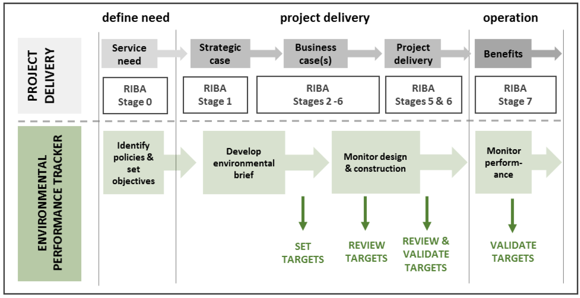

The key steps in the adoption of the environmental performance tracker are listed below:-
STEP 3
PROJECT
REQUIREMENTS
STEP 1
ORGANISATIONAL POLICIES
STEP 2
PROJECT OBJECTIVES
STEP 4
VALIDATE
STEP 5
MONITOR & REPORT

Please note there are three type of tracker aligned to building type and these include:- - Non-Domestic, - Domestic - Schools.

